Sheet1
Car type |  | Event |  | Date |  |  |  |  |  | Engineer
 |  |  |  |  |  |  |  |  |  | 1st Mechanic
 |  |  |  |  |  |  |  |  |  | Drivers

Aero

Base Aero
Front |  |  |  |  |  | Rear |  |  |  |  |  | Cooling
DIVE PLANES |  |  |  |  |  | RW POSITION |  |  |  |  |  | WATER COOLING
FWA GURNEY |  |  |  |  |  | RW SPACER |  |  |  |  |  | OIL COOLING
SPLITTER PACKER |  |  |  |  |  | RW FLAP RIGGING |  |  |  |  |  | GEARBOX COOLING
SPLITTER FEET |  |  |  |  |  | RW FLAP GURNEY |  |  |  |  |  | OPTION PART
NOSE FILLER |  |  |  |  |  | RDG |  |  |  |  |  | OPTION PART
SPL FT MOHAWK |  |  |  |  |  | RR WHEELARCH GF |  |  |  |  |  | OPTION PART
SIDEFLOOR GURNEY |  |  |  |  |  | OPTION PART |  |  |  |  |  | N/A
OPTION PART

Brakes

 |  | Discs | Pads | Calipers |  | Master Cyl |  | Dia | Zero Bias |  |  |  | Left | Right
 | Front |  |  |  |  | Front |  |  |  |  | Front Blanking
 | Rear |  |  |  |  | Rear |  |  |  |  | Rear Blanking

Drivetrain

 |  | Power/Coast |  | FF | Preload | Pressure |  | Gear | 1st | 2nd | 3rd | 4th | 5th | 6th | Drop | Final
Differential |  |  |  |  |  |  |  | Out/In
Clutch Master |  |  |  |  |  |  |  | Ratio

Suspension Geometry

 |  | Geometry |  | Bump Steer Config |  |  |  |  | Toe Link Position
 | Front |  |  |  |  |  |  | Front | Inner → | Upper |  |  | Outer → | Upper
 |  |  |  |  |  |  |  |  |  | Lower |  |  |  | Lower
 | Rear |  |  |  |  |  |  | Rear | Inner ↑ | Upper |  |  | Outer ↑ | Upper
 |  |  |  |  |  |  |  |  |  | Lower |  |  |  | Lower

Springs and ARBs

 | Corners |  |  |  | Centers |  |  |  |  |  | Anti-Roll Bars
 | lbs/inch | Damper Gap |  |  | Spring | Gap | Progressive | Gap |  |  | Tube | Driver | Passenger
Front |  |  |  |  |  |  |  |  |  | Front
Rear |  |  |  |  |  |  |  |  |  | Rear

Dampers

 |  |  |  |  |  |  | B-Off | Reb |  |  | Pressure
 |  | Bmp Valve | Reb Valve | Blowoff | Low | High |  | Low | High |  |  |  | Packer | Bmp Rub Typ & Length |  | Free Bmp
Front
Rear
** counted clockwise from fully open (0)

SW config
Steering Wheel Configuration

 | Steering Wheel |  |  |  |  |  |  |  | CONSOLE (ON/OFF)
End of Session | TC GAIN | TC SLIP | MAP | APS | EPAS | BRIGHT | PAGE | WIPER speed | 1 | 2 | 3 | 4 | 5 | 6 | 7
 |  |  |  |  |  |  |  |  | Day/Night | Headlight | Rain light | WET | Demister | Fan | Spare Fuel Pump
1
2
3
4
5
6
7

- PLEASE RETURN THIS DOCUMENT TO 1st MECHANIC 30 mins BEFORE SESSION START
- PLEASE CHECK YOUR SETTINGS ARE CORRECT IN TELEMETRY BEFORE SESSION START
- CONFIRM WITH RACE ENGINEER WHEN SETTINGS CORRECT
 |  |  |  |  |  |  |  |  |  |  |  |  | Performance
 |  |  |  |  |  |  |  |  |  |  |  |  | Engine

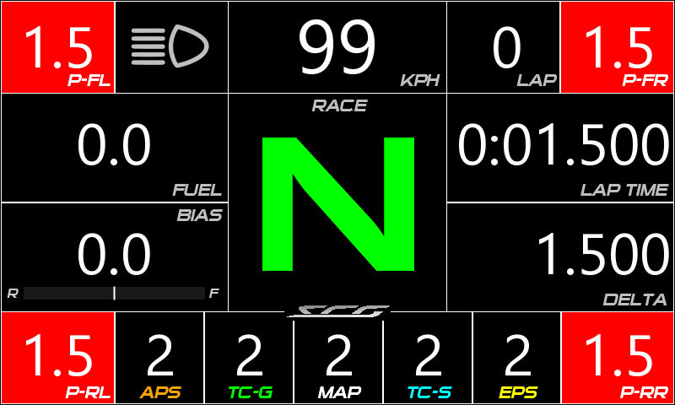
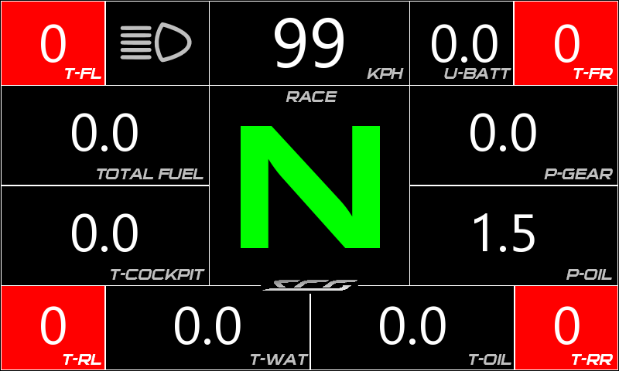
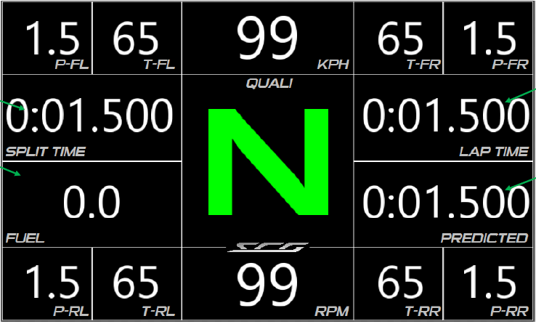
Race mode #1 - Display
Race mode #2 - Display
Quali mode - Display

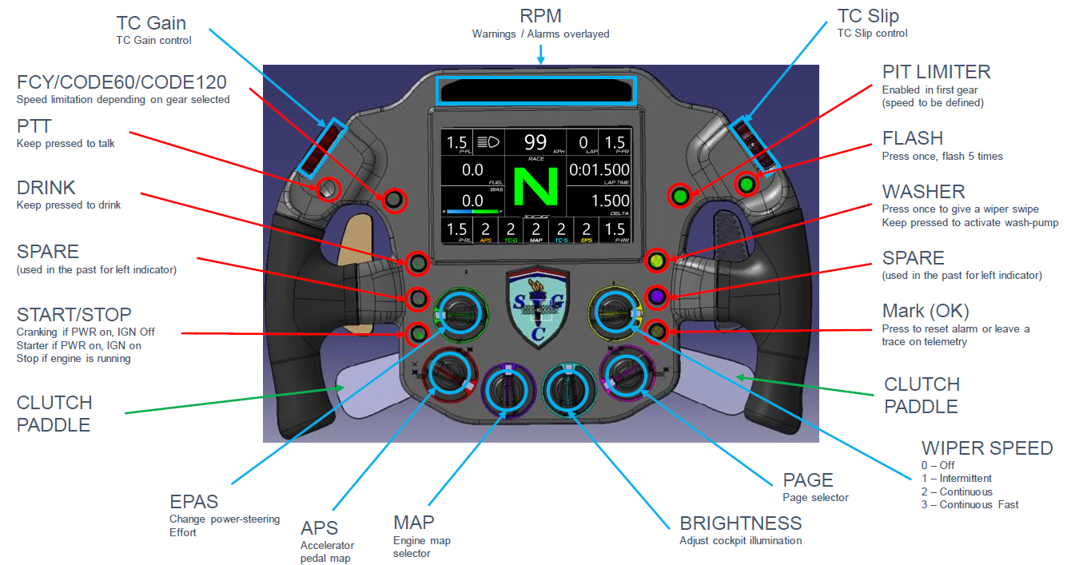
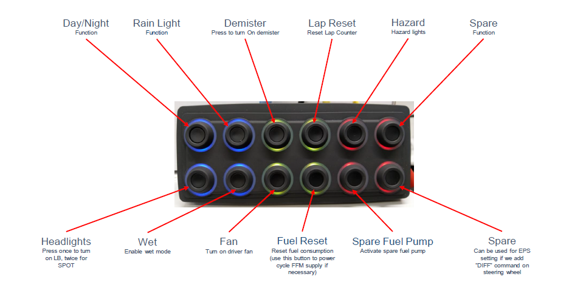
On Steering Wheel
On Console

Legality Checklist
LEGALITY CHECK

Car No.
Event/Session | Splitter height to floor LHS |  | Splitter height to floor RHS |  | Diffusor height LHS |  | Diffusor height RHS |  | Camber roller Tyres |  | Camber race Tyres |  | Empty Weight roller Tyres |  | Empty Weight race Tyres
 | Workshop/Track | Tech | Workshop/Track | Tech | Workshop/Track | Tech | Workshop/Track | Tech | Workshop/Track | Tech | Workshop/Track | Tech | Workshop/Track | Tech | Workshop/Track | Tech

Brake Wear
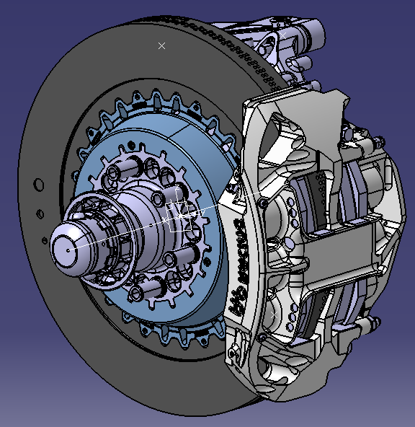
Brake Wear Sheet
Team
Circuit
Session
Measured by
 | Front |  | Rear
Set Number
Car
Check the thickness of each disc and pad in multiple positions and record the smallest value on this sheet

Out |  |  |  | Out | Out |  | Out
 |  | FL disc |  |  |  | FR disc
 |  | Thickness |  |  |  | Thickness
Pad #1 |  |  |  | Pad #2 | Pad #3 |  | Pad #4
 |  | Lifecheck |  |  |  | Lifecheck
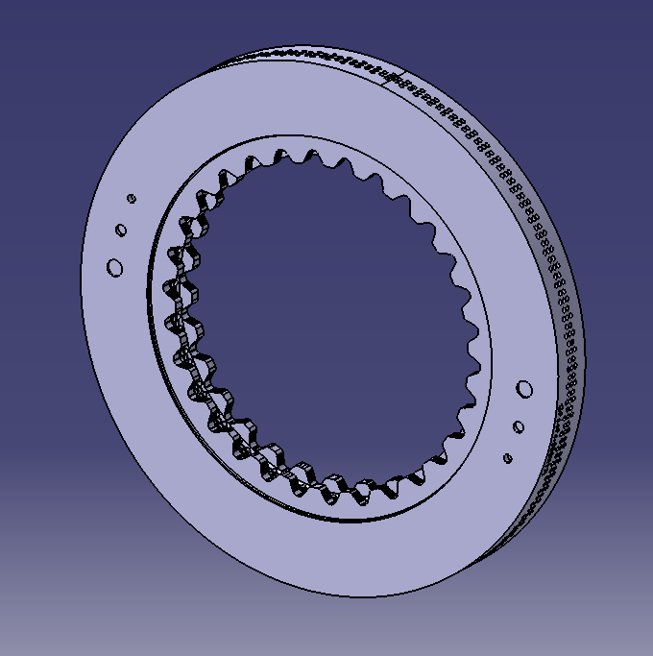
In |  |  |  | In | In |  | In

Out |  |  |  | Out | Out |  | Out
 |  | RL disc |  |  |  | RR disc
 |  | Thickness |  |  |  | Thickness
Pad #5 |  |  |  | Pad #6 | Pad #7 |  | Pad #8
 |  | Lifecheck |  |  |  | Lifecheck
In |  |  |  | In | In |  | In

